Ref
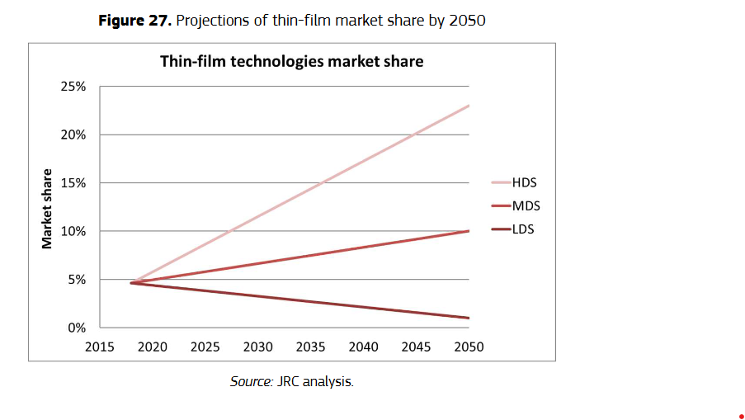
Wind |  |  |  |  |  |  |  |  | Solar PV |  |  |  |  |  | Solar CSP |  |  |  | Ref
(European Commission. Joint Research Centre., 2020) |  |  |  |  |  |  |  |  | (European Commission. Joint Research Centre., 2020) |  |  |  |  |  | (Alami et al., 2023) |  |  |  | (European Commission. Joint Research Centre., 2020) | European Commission. Joint Research Centre. (2020). Raw materials demand for wind and solar PV technologies in the transition towards a decarbonised energy system. Publications Office. https://data.europa.eu/doi/10.2760/160859
 |  | ONSHORE |  |  |  |  | Figure 12. Share of onshore (left) and offshore (right) wind turbine sub-technologies in the global market |  |  |  |  |  |  |  |  |  |  |  | (Alami et al., 2023) | Alami, A. H., Olabi, A. G., Mdallal, A., Rezk, A., Radwan, A., Rahman, S. M. A., Shah, S. K., & Abdelkareem, M. A. (2023). Concentrating solar power (CSP) technologies : Status and analysis. International Journal of Thermofluids, 18, 100340. https://doi.org/10.1016/j.ijft.2023.100340
 |  | DD-EESG | DD-PMSG | GB-PMSG | GB-DFIG-SCIG |  |  |  |  |  | Projections from EU : Grows linearly until it's at x% in 2050 |  |  |  |  |  | Sol_CSP_parabol | Sol_CSP_tower
 | 2020 | 6.03 | 18.89 | 14.76 | 60.32 |  |  |  |  |  | 2020 | 2050 |  |  |  |  | 5714 | 1802
 | 2030 | 2.38 | 20.63 | 17.14 | 59.84 |  |  |  |  |  | Current market share | LDS | MDS | HDS |  | Solar..CSP | 76% | 24%
 | 2040 | 1.43 | 23.49 | 19.68 | 55.40 |  |  |  |  | C-si | 95.40% | 99% | 90% | 77%
 | 2050 | 0 | 26.5 | 23.2 | 50.3 |  |  |  |  | CdTe | 2.40% | 0.5% | 4.50% | 10%
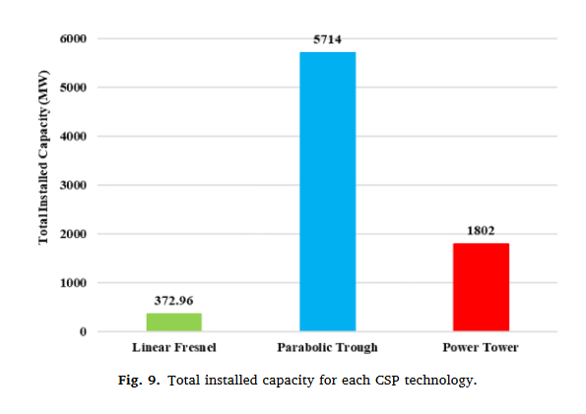
 |  |  |  |  |  |  |  |  |  | CIGS | 1.90% | 0.5% | 4.50% | 10%
 |  | OFFSHORE |  |  |  |  |  |  |  | a-Si | 0.30% | 0% | 1% | 3%
 |  | DD-EESG | DD-PMSG | GB-PMSG | GB-DFIG-SCIG
 | 2020 | 5.26 | 56.80 | 18.20 | 19.74 |  |  |  |  |  | Linearisation
 | 2030 | 0.00 | 60.58 | 9.97 | 29.45 |  |  |  |  |  | Solar PV
 | 2040 | 0.00 | 59.42 | 10.76 | 29.82 |  |  | Figure 10. Annual installed capacity of onshore and offshore wind by 2050 |  | MDS | C-si | CdTe | CIGS | a-Si
 | 2050 | 0 | 59 | 11 | 30 |  |  |  |  | 2020 | 95.40% | 2.40% | 1.90% | 0.30%
 |  |  |  |  |  |  |  |  |  | 2030 | 93.60% | 3.10% | 2.77% | 0.53%
 |  |  |  |  |  |  |  |  |  | 2040 | 91.80% | 3.80% | 3.63% | 0.77%
 |  | MDS |  |  |  |  |  |  |  | 2050 | 90.00% | 4.50% | 4.50% | 1.00%
 |  | Annualy installed |  | Cumulated |  | Market Share
 |  | Onshore | Offshore | Onshore | Offshore | %Onshore | %Offshore
 | 2020 | 55 | 5 | 550 | 50 | 92% | 8%
 | 2030 | 100 | 10 | 1550 | 150 | 91% | 9%
 | 2040 | 125 | 15 | 2800 | 300 | 90% | 10%
 | 2050 | 130 | 20 | 4100 | 500 | 89% | 11%

